Summary
1. Results from the walking skeleton: Your completed worksheet, including the table look-up using the opinion lexicon as well as the computation of your sentiment scores for each member of your corpus

Sentiment scores range from -1 (highly negative) to 0 (neurtal) to 1 (highly positive)
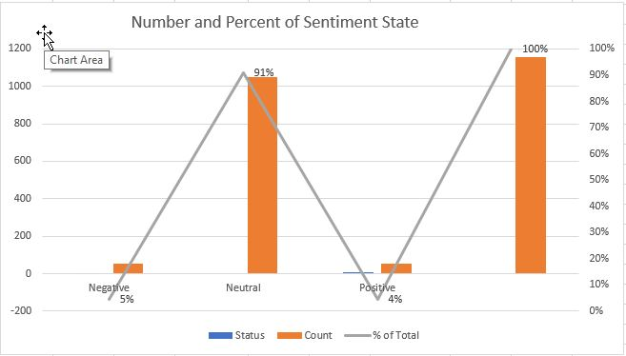

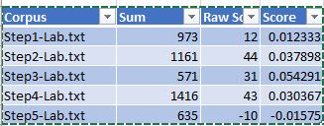
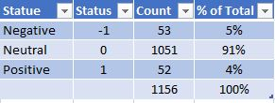

Excel spreadsheet, including the following
1. A summary of what you found in your results and include what you might do next to add some more content to the skeleton
For this analysis, we focused on creating a walking skeleton which provided initial look at our data, enabling us to validate design and get early feedback for improvements. Speaking of data, transcripts from several (4) of our recent lab sessions and one article discussing the Law of Excluded Middle provided a small-to-medium amount of data. Once the corpus was gathered, it was imported into Rattle which built the Term-Document Matrix. This process was set to strip whitespace, make all words lowercase, and finish up with implementing stop words. Stemming was tried; however, this process seemed to stall several times so that activitiy was abandoned during this intitial activity. Our analysis involved exporting data from Rattle;importing into Excel, and adding a weights and scoring column using Excel's VLOOKUP Table and a lexicon-based algorithm (i.e., bag/list of words). These lexicon categories/language become the building blocks of sentiment analyis. The more “positive” words in a document, the more positive the sentiment. Proximity is also important. The presence of more “positive” words near the target implies more positive sentiment.

Listed below are some next steps for adding more content/muscle to this 'walking skeleton':
Weed out the common and rare terms, common words appear in many (or all) documents and rare words occur in few which decreases their usefulness
Use chi-square test to help determine which terms are statisically significant by keeping terms with a chi-square value > 2
Rerun the Rattle data preparation processes, cleaning up symbols and spacing issues ater applying Lemmination
Apply naïve Bayesian technique to prepared data, combining term results
Identify/determine sentiment of surrounding words

Lastly, as noted in the table above, this data does not seem likely to produce a highly positivity and has a higher negativity to neutral correlation. Step1-Lab file had the largest score at 0.012 and Step5-Lab had the lowest at -0.02. Now I am happy to see the highest negative correlation was the article regarding the Law of Excluded Middle, to be honest, I added this on purpose as I wanted to see the effects. It is very possible, a higher positive rating will be encountered once the document that does not belong is removed. In addition, I did notice there were quite a few symbols, uppercase letters that did not convert to lower case, and a few other pre-cleaning issues that could also be negatively impacting the result. Out of 1,156 terms, 5% (53) were categorized as negative, 91% (1,051) were neutral, and 4% (52) were marked with positive correlation.

REFERENCES

Minqing Hu and Bing Liu. "Mining and Summarizing Customer Reviews."
Proceedings of the ACM SIGKDD International Conference on Knowledge
Discovery and Data Mining (KDD-2004), Aug 22-25, 2004, Seattle,
Washington, USA

R Core Team (2021). R: A language and environment for statistical
computing. R Foundation for Statistical Computing, Vienna, Austria.
URL https://www.R-project.org/.

Sentiment-Scoring
Corpus | Sum | Raw Score | Score
Step1-Lab.txt | 973 | 12 | 0.01233299075
Step2-Lab.txt | 1161 | 44 | 0.03789836348
Step3-Lab.txt | 571 | 31 | 0.054290718039
Step4-Lab.txt | 1416 | 43 | 0.030367231638
Step5-Lab.txt | 635 | -10 | -0.015748031496

